"ALLBOAS"
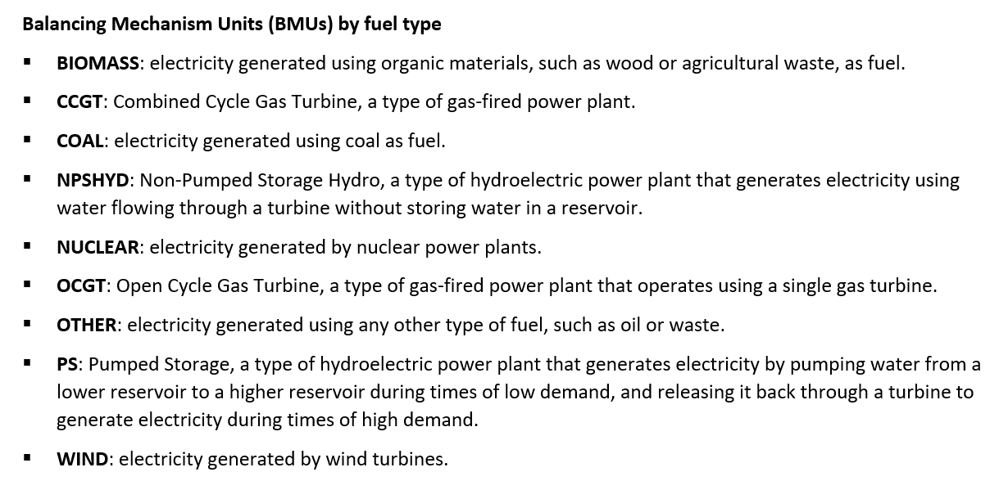
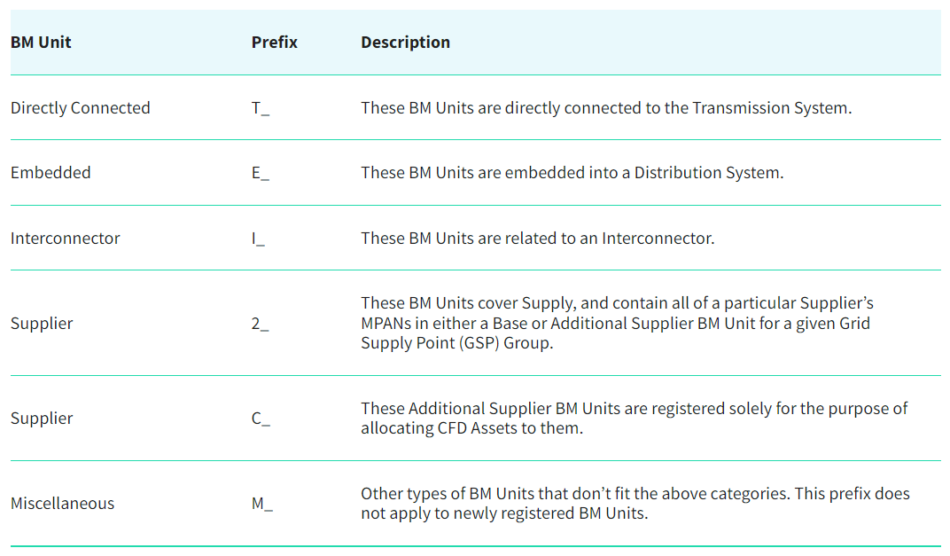
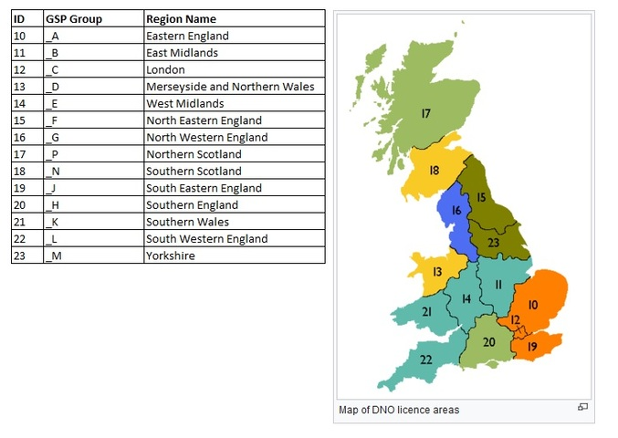
DATASET 1 - "ALLBOAS"

I. DATASET INFO

▪ | 6709244 entries (indexes 0 to 6709243).
▪ | 34 columns.
▪ | dtypes: category(4), datetime64(1), float64(16), int32(1), object(12)
▪ | memory usage: 1.6+ GB

II. DATASET DESCRIPTION & QUERIES

▪ | Dataset including all historical accepted "Bids" (buy energy) and "Offers" (sell energy) of the UK Balancing Mechanism with information related to each one.
▪ | Years included: 2015, 2017-Mar'2023. Is there any available data for 2016?
▪ | We understand that all "Bids-Offers" included in the Dataset are the ones accepted (by the Dataset definition). If we must analyse the approval process and develop a classification model in order to understand it, shouldn't we have the full historical record of both approved and declined "Bids-Offers"?
▪ | Columns types (numerical continous/discrete or categorical nominal/ordinal)
▪ | Columns definition, viable variables for machine learning models…
▪ | Variables possible values, rare values (possible outliers), missing values (treatment)...
 |  |  |  |  |  |  |  |  |  |  |  |  | Total dataset obs. : | 6,709,244

 | Column definition |  |  | Data Types |  | Values |  |  | Rare values (possible outliers) |  |  | Missing values
Index | Column name | Description | Comments | VarType | Dtype | Units | Unique values | Values sample | Low range | Central range | High range | NaN | NaN | Not NaN | Not NaN
 |  |  |  |  |  |  |  |  |  |  |  |  | (%) |  | (%)
0 | recordtype | Indicates whether the observation is a "Bid" (buy energy) or an "Offer" (sell energy). | "Bid-Offer" also designated as "Acceptance". | cat_nom | object | - | 2 | BID' / 'OFFER' | - | - | - | 0 | 0.00% | 6,709,244 | 100.00%
1 | settlementdate | Indicates the date of the "Bid-Offer". | - | cat_ord | datetime64 | - | 2,501 | Dates 2015 to 2023 ('yyyy-mm-dd') | - | - | - | 0 | 0.00% | 6,709,244 | 100.00%
2 | settlementperiod | Indicates the period within the settlement date of the "Bid-Offer" (day divided in 30 minutes intervals). | - | cat_ord | category | - | 48 | Range 1 to 48 | - | - | - | 0 | 0.00% | 6,709,244 | 100.00%
3 | index | Indicates the index of the "Bid-Offer" within the settlement period. | - | cat_ord | category | - | 280 | Range 1 to 293 | - | - | - | 0 | 0.00% | 6,709,244 | 100.00%
4 | id | Unique ID of the Balancing Mechanism Unit (BMU) related to the "Bid-Offer" as defined by the System Operator (SO, Elexon). | - | cat_nom | object | - | 529 | 'T_COSO-1' / … | - | - | - | 0 | 0.00% | 6,709,244 | 100.00%
5 | acceptanceid | Unique identifier for the "Bid-Offer" by the System Operator (SO, Elexon). | - | cat_ord | int32 | - | 207,367 | '104522' / … | - | - | - | 0 | 0.00% | 6,709,244 | 100.00%
6 | bidofferpairid | Unique identifier for the "Bid-Offer" pairs (for the accepted "Offer" the paired "Bid" price is the "undo" option and for a "Bid" the associated "Offer" price is the "undo" option). | - | cat_ord | category | - | 9 | Range -5 to +5 | - | - | - | 0 | 0.00% | 6,709,244 | 100.00%
7 | cadlflag | Flag that indicates short duration "Bid-Offer" acceptances (short-term increases or decreases in generation/demand with a duration of less than the Continuous Acceptance Duration Limit (CADL) value in minutes, currently 10 minutes). | - | cat_nom | object | - | 2 | 'T' / 'F' | - | - | - | 0 | 0.00% | 6,709,244 | 100.00%
8 | soflag | Flag that indicates when it is believe that the "Bid-Offer" may be impacted by a transmission constraint (related to locational balancing reasons due to thermal, voltage and transient stability constraints). | - | cat_nom | object | - | 2 | 'T' / 'F' | - | - | - | 0 | 0.00% | 6,709,244 | 100.00%
9 | storflag | Flag that indicates whether or not the "Bid-Offer" was provided by a Short Term Operating Reserve (STOR) provider. | - | cat_nom | object | - | 2 | 'T' / 'F' | - | - | - | 0 | 0.00% | 6,709,244 | 100.00%
10 | repricedindicator | Indicates whether an "Bid-Offer" has been repriced in the event of reserve scarcity pricing. | - | cat_nom | object | - | 2 | 'T' / 'F' | - | - | - | 0 | 0.00% | 6,709,244 | 100.00%
11 | reservescarcityprice | Reserve scarcity price (pricing mechanism used to re-price balancing actions from STOR plants when used, only during STOR Availability Windows and when Utilisation Prices are lower than the Reserve Scarcity Price). | NULL outside of a STOR availability window. | num_cont | float64 | £/MWh | 2,162 | float64 / NaN | [0.0, 0.1) 1,005,790 | [0.1, 700.0) 44,825 | [700.0, 3272.291) 302 | 5,658,327 | 84.34% | 1,050,917 | 15.66%
12 | price | Price of the original "Bid-Offer". | - | num_cont | float64 | £/MWh | 26,197 | float64 | [-9999.0, -700.0) 16 | [-700.0, 700.0) 6700457 | [700.0, 99999.0) 8771 | 0 | 0.00% | 6,709,244 | 100.00%
13 | volume | Volume of the original "Bid-Offer". | - | num_cont | float64 | MWh | 186,413 | float64 | [-590.0, -300.0) 9,725 | [-300.0, 300.0) 6,699,439 | [300.0, 400.62) 80 | 0 | 0.00% | 6,709,244 | 100.00%
14 | dmatadjustedvolume | Volume of the "Bid-Offer" after De Minimis Acceptance Threshold (DMAT) Tagging has been applied (DMAT flagged bids or offers are those smaller than 1MWh, which are rounded down to 0. DMAT adjusted volume is the result of this rounding). | - | num_cont | float64 | MWh | 186,413 | float64 | [-590.0, -300.0) 9,725 | [-300.0, 300.0) 6,699,439 | [300.0, 400.62) 80 | 0 | 0.00% | 6,709,244 | 100.00%
15 | arbitrageadjustedvolume | Volume of the "Bid-Offer" after Arbitrage Tagging has been applied (when bids/offers cross the bid-offer spread, they are automatically cleared and the resulting volume is set to 0). | - | num_cont | float64 | MWh | 187,122 | float64 | [-590.0, -300.0) 9,722 | [-300.0, 300.0) 6,699,442 | [300.0, 400.62) 80 | 0 | 0.00% | 6,709,244 | 100.00%
16 | nivadjustedvolume | Volume of the "Bid-Offer" after Net Imbalance Volume (NIV) Tagging has been applied (accepted bids and offers are netted off during the NIV tagging phase - if a bid/offer is netted off, it’s niv adjusted volume is 0). | - | num_cont | float64 | MWh | 140,281 | float64 | [-590.0, -300.0) 235 | [-300.0, 300.0) 6,708,998 | [300.0, 400.62) 11 | 0 | 0.00% | 6,709,244 | 100.00%
17 | paradjustedvolume | Volume of the "Bid-Offer" after Price Average Reference (PAR) Tagging has been applied (legacy reporting feature that is no longer used). | - | num_cont | float64 | MWh | 69,267 | float64 | [-265.0, -150.0) 173 | [-150.0, 150.0) 6,708,768 | [150.0, 270.0) 303 | 0 | 0.00% | 6,709,244 | 100.00%
18 | finalprice | Final price of the "Bid-Offer". | - | num_cont | float64 | £/MWh | 8,335 | float64 | (-150.01, -50.0] 6,315 | (-50.0, 700.0] 6,702,460 | (700.0, 4000.01] 469 | 0 | 0.00% | 6,709,244 | 100.00%
19 | transmissionlossmultiplier | Multiplier calculated for each Settlement Period, depending on the season and the BM Unit’s geographical zone, used to scale each BM Unit Metered Volume according to their transmission losses. | - | num_cont | float64 | MWh | 503 | float64 | [0.0, 1.0) 6,627,027 | [1.0, 1.02) 78,500 | [1.02, 1.036) 3,717 | 0 | 0.00% | 6,709,244 | 100.00%
20 | timeadjustedvolume | Adjusted volume of the "Bid-Offer" as described in the (MIDS) Market Index Definition Statement for the calculation of the market index price. | - | num_cont | float64 | MWh | 70,797 | float64 | [-262.785, -100.0) 1,094 | [-100.0, 100.0) 6,706,137 | [100.0, 267.743) 2,013 | 0 | 0.00% | 6,709,244 | 100.00%
21 | timeadjustedcost | Corresponding cashflow of the "Bid-Offer"with respect to the time adjusted volume and bid-offer price. | - | num_cont | float64 | £ | 156,675 | float64 | [-7925.44, -3000.0) 1,626 | [-3000.0, 6000.0) 6,705,357 | [6000.0, 47072.97) 2,261 | 0 | 0.00% | 6,709,244 | 100.00%
22 | offervolume | Volume of the original "Offer". | NULL when recordtype is a "Bid". | num_cont | float64 | MWh | 89,673 | float64 / NaN | [0.0, 0.01) 39,441 | [0.01, 300.0) 2,566,133 | [300.0, 400.62) 80 | 4,103,590 | 61.16% | 2,605,654 | 38.84%
23 | bidvolume | Volume of the original "Bid". | NULL when recordtype is an "Offer". | num_cont | float64 | MWh | 96,743 | float64 / NaN | [-590.0, -300.0) 9,725 | [-300.0, -0.01) 4,050,034 | [-0.01, 0.0) 43,831 | 2,605,654 | 38.84% | 4,103,590 | 61.16%
24 | offerprice | Price of the original "Offer". | NULL when recordtype is a "Bid". | num_cont | float64 | £ | 13,004 | float64 / NaN | [-162.26, 0.0) 7,447 | [0.0, 700.0) 2,589,490 | [700.0, 99999.0) 8,717 | 4,103,590 | 61.16% | 2,605,654 | 38.84%
25 | bidprice | Price of the original "Bid". | NULL when recordtype is an "Offer". | num_cont | float64 | £ | 18,894 | float64 / NaN | [-9999.0, -700.0) 16 | [-700.0, 700.0) 4,103,520 | [700.0, 9999.0) 54 | 2,605,654 | 38.84% | 4,103,590 | 61.16%
26 | BMU Name | Name of the Balancing Mechanism Unit (BMU) related to the "Bid-Offer" as defined by the System Operator (SO, Elexon). | NULL values correspond to BMUs not currently registered? | cat_nom | object | - | 475 | Coryton Power Station / … / NaN | - | - | - | 239,841 | 3.57% | 6,469,403 | 96.43%
27 | Party Name | Name of the party owner of the BMU related to the "Bid-Offer". | NULL values correspond to BMUs not currently registered? | cat_nom | object | - | 132 | Coryton Energy Company Ltd / … / NaN | - | - | - | 239,841 | 3.57% | 6,469,403 | 96.43%
28 | Party ID | Unique ID of the party owner of the BMU related to the "Bid-Offer". | NULL values correspond to BMUs not currently registered? | cat_nom | object | - | 132 | CECL / … / NaN | - | - | - | 239,841 | 3.57% | 6,469,403 | 96.43%
29 | BMU Type | Type of the BMU related to the "Bid-Offer". | NULL values correspond to BMUs not currently registered? S and 2 values are the same? | cat_nom | object | - | 6 | 'T' / 'E' / 'S' / 'G' / 'V' / NaN | - | - | - | 239,841 | 3.57% | 6,469,403 | 96.43%
30 | GSP Group Id | Unique ID for the GSP group of the BMU related to the "Bid-Offer". | NULL values correspond to BMUs not currently registered? | cat_ord | category | - | 15 | '_A' to '_H' / '_J' to '_N' / '_P' / NaN | - | - | - | 5,929,714 | 88.38% | 779,530 | 11.62%
31 | GSP Group Name | Name for the GSP group of the BMU related to the "Bid-Offer". | NULL values correspond to BMUs not currently registered? | cat_nom | object | - | 15 | 'Eastern GSP Group' / … / NaN | - | - | - | 5,929,714 | 88.38% | 779,530 | 11.62%
32 | TLF | Transmission Loss Factor (TLF) of the BMU related to the "Bid-Offer". | NULL values correspond to BMUs not currently registered? | num_cont | float64 | TBC | 15 | float64 / NaN | [-0.0261, 0.0) 2,577,678 | [0.0, 0.01) 3,181,356 | [0.01, 0.0149) 710,369 | 239,841 | 3.57% | 6,469,403 | 96.43%
33 | fuelType | Type of fuel used by the BMU related to the "Bid-Offer". | NULL values correspond to BMUs not currently registered? | cat_nom | object | - | 10 | BIOMASS' / 'CCGT' / 'COAL' / 'NPSHYD' / 'OCGT' / 'OTHER' / 'PS' / 'WIND' / 'Wind' / NaN | - | - | - | 749,905 | 11.18% | 5,959,339 | 88.82%

